OLD Sales
2023-09-01 | 9/1/2023 | 9/2/2023 | 9/3/2023 | 9/4/2023 | 9/5/2023 | 9/6/2023 | 9/7/2023 | 9/8/2023 | 9/9/2023 | 9/10/2023 | 9/11/2023 | 9/12/2023 | 9/13/2023 | 9/14/2023 | 9/15/2023 | 9/16/2023 | 9/17/2023 | 9/18/2023 | 9/19/2023 | 9/20/2023 | 9/21/2023 | 9/22/2023 | 9/23/2023 | 9/24/2023 | 9/25/2023 | 9/26/2023 | 9/27/2023 | 9/28/2023 | 9/29/2023 | 9/30/2023
 | FRI | SAT | SUN | MON | TUE | WED | THU | FRI | SAT | SUN | MON | TUE | WED | THU | FRI | SAT | SUN | MON | TUE | WED | THU | FRI | SAT | SUN | MON | TUE | WED | THU | FRI | SAT
Weekend Work |  | Peco | Peco |  |  |  |  |  | Peco | Peco |  |  |  |  |  | Peter | Peter |  |  |  |  |  | Peter | Peter |  |  |  |  |  | Peco
 |  |  |  |  |  |  |  |  |  |  |  |  |  |  |  |  |  | PRO Subscription Launch |  |  |  |  | SKU3 ABC Test - Testing availability
 | Labor Day |  |  |  |  |  |  |  |  |  |  |  | 10% off Sitewide |  |  |  |  | Keynote
 |  |  |  |  |  | IGG Launch |  |  |  |  |  |  |  |  |  |  |  | Perch Extender Launch |  |  |  |  |  |  |  |  | Existing users email sent at 15:35

DTC Revenue | $17,265.68 | $23,737.33 | $31,027.91 | $38,624.27 | $32,334.23 | $25,523.42 | $16,513.05 | $16,047.62 | $16,896.24 | $25,310.44 | $19,069.47 | $17,658.35 | $16,855.53 | $21,866.40 | $19,818.81 | $20,289.02 | $20,492.89 | $54,783.26 | $32,668.33 | $24,173.38 | $23,765.13 | $20,293.99 | $23,532.56 | $25,409.48 | $24,613.92 | $16,571.82 | $28,234.49 | $22,796.27 | $23,841.80 | $21,795.85
IndieGoGo Revenue | $0.00 | $0.00 | $0.00 | $0.00 | $0.00 | $1,337.00 | $1,675.00 | $3,815.00 | $4,507.00 | $3,017.00 | $4,996.00 | $4,733.00 | $2,268.00 | $1,933.00 | $3,188.00 | $4,965.00 | $974.00 | $1,317.00 | $2,533.00 | $1,389.00 | $403.00 | $0.00 | $283.00 | $283.00 | $0.00 | $283.00 | $967.00 | $0.00 | $309.00 | $974.00
Amazon Revenue | $3,069.00 | $2,511.00 | $4,185.00 | $5,580.00 | $5,580.00 | $4,464.00 | $3,627.00 | $2,790.00 | $6,975.00 | $6,138.00 | $6,138.00 | $6,696.00 | $7,533.00 | $8,370.00 | $4,185.00 | $5,859.00 | $7,254.00 | $6,975.00 | $13,113.00 | $8,928.00 | $8,649.00 | $10,881.00 | $5,580.00 | $10,602.00 | $8,928.00 | $10,881.00 | $7,812.00 | $11,160.00 | $9,765.00 | $7,254.00
Rachio Revenue |  |  |  |  |  |  |  |  |  |  |  |  |  |  |  |  |  |  |  |  |  |  |  |  |  |  |  | $8,188.24 | $5,806.09 | $1,039.00
Net PRO Subscription Revenue | $0.00 | $0.00 | $0.00 | $0.00 | $0.00 | $0.00 | $0.00 | $0.00 | $0.00 | $0.00 | $0.00 | $0.00 | $0.00 | $0.00 | $0.00 | $0.00 | $0.00 | $7,726.00 | $9,063.00 | $5,576.00 | $4,328.00 | $2,975.00 | $2,918.00 | $2,611.00 | $1,872.00 | $1,985.00 | $1,409.00 | $1,402.00 | $7,004.00 | $7,498.00
Total Revenue | $20,334.68 | $26,248.33 | $35,212.91 | $44,204.27 | $37,914.23 | $31,324.42 | $21,815.05 | $22,652.62 | $28,378.24 | $34,465.44 | $30,203.47 | $29,087.35 | $26,656.53 | $32,169.40 | $27,191.81 | $31,113.02 | $28,720.89 | $70,801.26 | $57,377.33 | $40,066.38 | $37,145.13 | $34,149.99 | $32,313.56 | $38,905.48 | $35,413.92 | $29,720.82 | $38,422.49 | $43,546.51 | $46,725.89 | $38,560.85

DTC Orders | 79 | 110 | 135 | 165 | 149 | 121 | 79 | 52 | 63 | 93 | 84 | 69 | 64 | 79 | 91 | 86 | 82 | 587 | 307 | 173 | 135 | 119 | 123 | 132 | 119 | 98 | 114 | 103 | 100 | 102
IndieGoGo Orders | 0 | 0 | 0 | 0 | 0 | 4 | 6 | 11 | 13 | 12 | 15 | 13 | 8 | 7 | 8 | 13 | 4 | 2 | 7 | 4 | 1 | 0 | 1 | 1 | 0 | 1 | 1 | 0 | 1 | 4
Amazon Orders | 14 | 7 | 19 | 23 | 16 | 20 | 12 | 12 | 28 | 19 | 22 | 25 | 26 | 27 | 15 | 21 | 26 | 28 | 38 | 36 | 36 | 30 | 25 | 33 | 32 | 39 | 28 | 40 | 31 | 30
Rachio Orders |  |  |  |  |  |  |  |  |  |  |  |  |  |  |  |  |  |  |  |  |  |  |  |  |  |  |  | 38 | 26 | 5
Net PRO Subscription Orders |  |  |  |  |  |  |  |  |  |  |  |  |  |  |  |  |  | 520 | 574 | 358 | 280 | 191 | 190 | 171 | 133 | 155 | 105 | 103 | 468 | 498
Total Orders | 211 | 293 | 390 | 465 | 380 | 322 | 213 | 168 | 199 | 292 | 240 | 212 | 206 | 243 | 242 | 264 | 239 | 1440 | 772 | 442 | 387 | 328 | 349 | 397 | 476 | 276 | 355 | 328 | 300 | 285

FB - US & CA | $5,360.49 | $4,737.18 | $6,495.66 | $7,444.39 | $9,948.69 | $10,654.24 | $4,870.40 | $2,686.43 | $4,453.73 | $7,934.61 | $7,938.61 | $7,224.58 | $6,434.49 | $4,665.45 | $5,085.26 | $5,306.87 | $5,557.57 | $5,291.59 | $5,637.88 | $4,633.57 | $4,778.31 | $5,026.69 | $6,492.73 | $8,338.56 | $7,339.68 | $6,794.39 | $4,723.67 | $3,688.31 | $4,859.14 | $5,765.64
Google - WW | $1,211.12 | $1,401.64 | $1,710.20 | $1,317.00 | $1,357.20 | $1,340.41 | $1,379.91 | $1,350.77 | $1,446.61 | $1,925.14 | $1,897.80 | $1,863.85 | $2,181.78 | $1,588.03 | $2,151.14 | $2,408.30 | $2,606.98 | $2,845.10 | $2,751.55 | $2,266.00 | $2,050.31 | $1,949.00 | $2,011.34 | $2,159.48 | $1,935.34 | $1,646.91 | $1,733.42 | $2,080.01 | $1,795.19 | $2,141.16
Bing - WW | $183.94 | $172.98 | $228.88 | $223.48 | $230.68 | $226.06 | $224.23 | $191.43 | $355.52 | $218.82 | $224.14 | $217.46 | $212.70 | $216.39 | $191.06 | $221.71 | $486.58 | $238.96 | $212.46 | $207.49 | $199.05 | $212.03 | $212.05 | $197.44 | $62.73 | $20.31 | $0.00 | $0.00 | $161.76 | $464.33
TikTok - US & CA | $0.00 | $0.00 | $0.00 | $0.00 | $0.00 | $0.00 | $0.00 | $0.00 | $0.00 | $0.00 | $0.00 | $0.00 | $0.00 | $0.00 | $0.00 | $0.00 | $0.00 | $0.00 | $0.00 | $0.00 | $0.00 | $0.00 | $0.00 | $0.00 | $0.00 | $0.00 | $0.00 | $0.00 | $0.00 | $0.00
Amazon Spend | $1,276.67 | $1,876.55 | $2,182.61 | $1,886.24 | $1,401.31 | $1,491.07 | $1,448.93 | $1,479.75 | $1,888.27 | $2,296.89 | $1,797.51 | $1,678.50 | $1,662.46 | $1,696.47 | $1,674.55 | $2,303.30 | $2,443.56 | $2,161.34 | $2,309.42 | $2,091.87 | $1,920.72 | $1,492.52 | $1,881.18 | $2,255.79 | $1,672.88 | $1,771.38 | $2,743.88 | $3,792.92 | $2,832.22 | $3,932.81
Nextdoor Spend | $0.00 | $0.00 | $0.00 | $0.00 | $0.00 | $0.00 | $0.00 | $0.00 | $0.00 | $0.00 | $190.92 | $184.37 | $347.34 | $400.58 | $527.61 | $503.39 | $504.50 | $501.28 | $501.22 | $335.16 | $468.16 | $377.74 | $403.10 | $403.00 | $403.60 | $402.86 | $402.38 | $388.24 | $0.02
IndieGoGo Spend | $0.00 | $0.00 | $0.00 | $0.00 | $0.00 | $337.21 | $523.13 | $709.35 | $891.68 | $1,344.44 | $1,615.86 | $1,999.78 | $2,425.60 | $2,195.19 | $1,864.98 | $1,526.04 | $1,583.49 | $1,406.57 | $955.18 | $90.80 | $0.00 | $0.00 | $0.00 | $0.00 | $0.00 | $0.00 | $0.00 | $0.00 | $0.00 | $453.31
Affiliate Fees - US | $0.00 | $0.00 | $0.00 | $47.81 | $113.06 | $62.55 | $0.00 | $0.00 | $0.00 | $149.78 | $0.00 | $0.00 | $0.00 | $139.61 | $53.32 | $59.92 | $53.62 | $15.48 | $59.05 | $57.04 | $0.00 | $57.16 | $0.00 | $26.91 | $0.00 | $0.00 | $0.00 | $0.00 | $0.00 | $0.00
Total Web Spend | $6,755.55 | $6,311.80 | $8,434.74 | $9,032.68 | $11,649.63 | $12,283.26 | $6,474.54 | $4,228.63 | $6,255.86 | $10,228.35 | $10,251.47 | $9,490.26 | $9,176.31 | $7,010.06 | $8,008.39 | $8,500.19 | $9,209.25 | $8,892.41 | $9,162.16 | $7,499.26 | $7,495.83 | $7,622.62 | $9,119.22 | $11,125.39 | $9,741.35 | $8,864.47 | $6,859.47 | $6,156.56 | $6,816.11 | $8,371.13
Total Spend | $8,032.22 | $8,188.35 | $10,617.35 | $10,918.92 | $13,050.94 | $14,111.54 | $8,446.60 | $6,417.73 | $9,035.81 | $13,869.68 | $13,855.76 | $13,352.91 | $13,582.28 | $10,901.72 | $11,547.92 | $12,329.53 | $13,236.30 | $12,460.32 | $12,426.76 | $9,681.93 | $9,416.55 | $9,115.14 | $11,000.40 | $13,381.18 | $11,414.23 | $10,635.85 | $9,603.35 | $9,949.48 | $9,648.33 | $12,757.25

Blended ROAS | 2.53 | 3.21 | 3.32 | 4.05 | 2.91 | 2.22 | 2.58 | 3.53 | 3.14 | 2.48 | 2.18 | 2.18 | 1.96 | 2.95 | 2.35 | 2.52 | 2.17 | 5.68 | 4.62 | 4.14 | 3.94 | 3.75 | 2.94 | 2.91 | 3.10 | 2.79 | 4.00 | 4.38 | 4.84 | 3.02
wROAS | 2.56 | 3.76 | 3.68 | 4.28 | 2.78 | 2.08 | 2.55 | 3.79 | 2.70 | 2.47 | 1.86 | 1.86 | 1.84 | 3.12 | 2.47 | 2.39 | 2.23 | 6.16 | 3.57 | 3.22 | 3.17 | 2.66 | 2.58 | 2.28 | 2.53 | 1.87 | 4.12 | 3.70 | 3.50 | 2.60
aROAS | 2.40 | 1.34 | 1.92 | 2.96 | 3.98 | 2.99 | 2.50 | 1.89 | 3.69 | 2.67 | 3.41 | 3.99 | 4.53 | 4.93 | 2.50 | 2.54 | 2.97 | 3.23 | 5.68 | 4.27 | 4.50 | 7.29 | 2.97 | 4.70 | 5.34 | 6.14 | 2.85 | 2.94 | 3.45 | 1.84
igROAS |  |  |  |  |  | 3.96 | 3.20 | 5.38 | 5.05 | 2.24 | 3.09 | 2.37 | 0.94 | 0.88 | 1.71 | 3.25 | 0.62 | 0.94 | 2.65 | 15.30 | #DIV/0! | #DIV/0! | #DIV/0! | #DIV/0! | #DIV/0! | #DIV/0! | #DIV/0! | #DIV/0! | #DIV/0! | 2.15

Blended CAC | $38.07 | $27.95 | $27.22 | $23.48 | $34.34 | $43.82 | $39.66 | $38.20 | $45.41 | $47.50 | $57.73 | $62.99 | $65.93 | $44.86 | $47.72 | $46.70 | $55.38 | $8.65 | $16.10 | $21.90 | $24.33 | $27.79 | $31.52 | $33.71 | $23.98 | $38.54 | $27.05 | $30.33 | $32.16 | $44.76
wCAC | $85.51 | $57.38 | $62.48 | $54.74 | $78.19 | $101.51 | $81.96 | $81.32 | $99.30 | $109.98 | $122.04 | $137.54 | $143.38 | $88.73 | $88.00 | $98.84 | $112.31 | $15.15 | $29.84 | $43.35 | $55.52 | $64.06 | $74.14 | $84.28 | $81.86 | $90.45 | $60.17 | $59.77 | $68.16 | $82.07
aCAC | $91.19 | $268.08 | $114.87 | $82.01 | $87.58 | $74.55 | $120.74 | $123.31 | $67.44 | $120.89 | $81.71 | $67.14 | $63.94 | $62.83 | $111.64 | $109.68 | $93.98 | $77.19 | $60.77 | $58.11 | $53.35 | $49.75 | $75.25 | $68.36 | $52.28 | $45.42 | $98.00 | $94.82 | $91.36 | $131.09
igCAC |  |  |  |  |  | $84.30 | $87.19 | $64.49 | $68.59 | $112.04 | $107.72 | $153.83 | $303.20 | $313.60 | $233.12 | $117.39 | $395.87 | $703.29 | $136.45 | $22.70 | $0.00 | #DIV/0! | $0.00 | $0.00 | #DIV/0! | $0.00 | $0.00 | #DIV/0! | $0.00 | $113.33

Web CR | 0.98% | 0.73% | 1.25% | 1.67% | 1.66% | 1.31% | 1.17% | 1.22% | 1.09% | 1.12% | 0.94% | 0.83% | 1.16% | 1.75% | 1.69% | 1.27% | 1.37% | 5.28% | 1.63% | 1.30% | 1.12% | 1.30% | 1.42% | 1.23% | 1.58% | 1.20% | 1.83% | 1.22% | 1.25% | 1.29%
Web AOV | $218.55 | $215.79 | $229.84 | $234.09 | $217.01 | $210.94 | $209.03 | $308.61 | $268.19 | $272.16 | $227.02 | $255.92 | $263.37 | $276.79 | $217.79 | $235.92 | $249.91 | $93.33 | $106.41 | $139.73 | $176.04 | $170.54 | $191.32 | $192.50 | $206.84 | $169.10 | $247.67 | $221.32 | $238.42 | $213.68
fAOV | $189.60 | $194.16 | $198.48 | $196.24 | $195.17 | $185.41 | $207.92 | $244.25 | $251.37 | $227.10 | $215.46 | $231.35 | $230.30 | $231.34 | $207.68 | $209.88 | $214.07 | $72.46 | $95.30 | $130.22 | $145.66 | $148.39 | $158.58 | $163.40 | $182.68 | $153.45 | $191.57 | $179.23 | $213.57 | $220.43
rAOV | $109.88 | $124.00 | $93.26 | $80.73 | $149.37 | $162.04 | $89.83 | $53.00 | $41.50 | $181.17 | $138.80 | $191.19 | $0.00 | $179.17 | $123.39 | $45.00 | $278.55 | $51.80 | $68.00 | $42.57 | $68.40 | $95.69 | $46.33 | $108.67 | $107.48 | $116.05 | $261.56 | $117.37 | $109.41 | $110.32

Customers
Returning | 6.33% | 7.27% | 10.37% | 6.67% | 4.70% | 7.44% | 3.80% | 1.92% | 1.92% | 6.45% | 5.95% | 10.14% | 0.00% | 3.80% | 10.99% | 5.81% | 2.44% | 14.82% | 10.42% | 12.14% | 7.41% | 10.92% | 9.76% | 6.82% | 17.65% | 13.27% | 16.67% | 12.62% | 9% | 9.80%
First-time | 93.67% | 92.73% | 89.63% | 93.33% | 95.30% | 92.56% | 96.20% | 98.08% | 98.08% | 93.55% | 94.05% | 89.86% | 100.00% | 96.20% | 89.01% | 94.19% | 97.56% | 85.18% | 89.58% | 87.86% | 92.59% | 89.08% | 90.24% | 93.18% | 82.35% | 86.73% | 83.33% | 87.38% | 91.00% | 90.20%

Post-purchase Survey
Facebook / Instagram | 27.27% | 29.58% | 35.71% | 31.31% | 20.25% | 38.10% | 35.29% | 40.54% | 34.09% | 36.67% | 44.62% | 36.73% | 45.10% | 28.00% | 40.00% | 41.94% | 33.33% | 37.13% | 26.09% | 39.50% | 48.05% | 45.07% | 41.03% | 39.73% | 28.00% | 0.00% | 0.00% | 27.27% | 37.33% | 43.06%
Friends / Family | 56.36% | 50.70% | 56.12% | 35.35% | 44.25% | 53.57% | 50.98% | 51.35% | 59.09% | 56.67% | 40.00% | 57.14% | 41.18% | 56.00% | 43.64% | 43.55% | 54.90% | 43.00% | 60.87% | 48.74% | 32.47% | 39.44% | 43.59% | 56.16% | 64.00% | 0.00% | 0.00% | 51.52% | 44.00% | 43.06%
TikTok | 1.82% | 1.41% | 0.00% | 6.57% | 6.75% | 0.00% | 3.92% | 0.00% | 0.00% | 1.67% | 1.54% | 0.00% | 1.96% | 0.00% | 0.00% | 1.61% | 0.00% | 0.65% | 0.00% | 0.84% | 0.00% | 1.41% | 2.56% | 0.00% | 4.00% | 0.00% | 0.00% | 0.00% | 1.33% | 0.00%
TV / Radio | 1.82% | 0.00% | 2.04% | 0.00% | 20.25% | 1.19% | 1.96% | 0.00% | 0.00% | 0.00% | 0.00% | 0.00% | 0.00% | 2.00% | 0.00% | 0.00% | 3.92% | 0.00% | 0.00% | 0.84% | 2.60% | 2.82% | 1.28% | 0.00% | 0.00% | 0.00% | 0.00% | 0.00% | 0.00% | 1.39%
Blog / Article | 1.82% | 5.63% | 4.08% | 18.69% | 7.00% | 3.57% | 1.96% | 2.70% | 0.00% | 1.67% | 4.62% | 2.04% | 0.00% | 2.00% | 7.27% | 3.23% | 3.92% | 11.40% | 1.45% | 5.04% | 7.79% | 1.41% | 8.97% | 2.74% | 4.00% | 0.00% | 0.00% | 3.03% | 8.00% | 4.17%
Reddit | 0.00% | 0.00% | 0.00% | 0.00% | 0.25% | 2.38% | 1.96% | 2.70% | 0.00% | 0.00% | 0.00% | 0.00% | 1.96% | 0.00% | 1.82% | 0.00% | 0.00% | 0.98% | 0.00% | 0.00% | 1.30% | 1.41% | 0.00% | 0.00% | 0.00% | 0.00% | 0.00% | 3.03% | 0.00% | 0.00%
Google, Youtube | 9.09% | 12.68% | 2.04% | 8.08% | 1.00% | 1.19% | 3.92% | 2.70% | 6.82% | 3.33% | 7.69% | 4.08% | 9.80% | 10.00% | 7.27% | 9.68% | 3.92% | 6.19% | 10.14% | 5.04% | 7.79% | 7.04% | 2.56% | 1.37% | 0.00% | 0.00% | 0.00% | 15.15% | 9.33% | 5.56%
Yahoo, Bing | 1.82% | 0.00% | 0.00% | 0.00% | 0.25% | 0.00% | 0.00% | 0.00% | 0.00% | 0.00% | 1.54% | 0.00% | 0.00% | 2.00% | 0.00% | 0.00% | 0.00% | 0.65% | 1.45% | 0.00% | 0.00% | 1.41% | 0.00% | 0.00% | 0.00% | 0.00% | 0.00% | 0.00% | 0.00% | 2.78%

 | 2023-09-01 | Goal | % of Goal
Revenue | $1,050,842.27 | $1,450,000 | 72.47%
Spend | $332,986.33 | $500,000 | 66.60%
ROAS | 3.16 | 3.00 | 105.19%
CAC | $31.08
CR | 1.43%
AOV | $98.08
fAOV | $189.49
rAOV | $111.48
Orders | 10,714
Units Sold | 2,958 | 3500 | 84.51%
CAC per Unit | $112.57
First-time customers | 91.76%
Returning customers | 8.24%

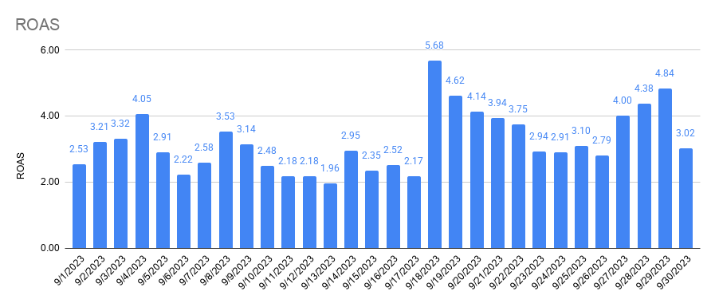
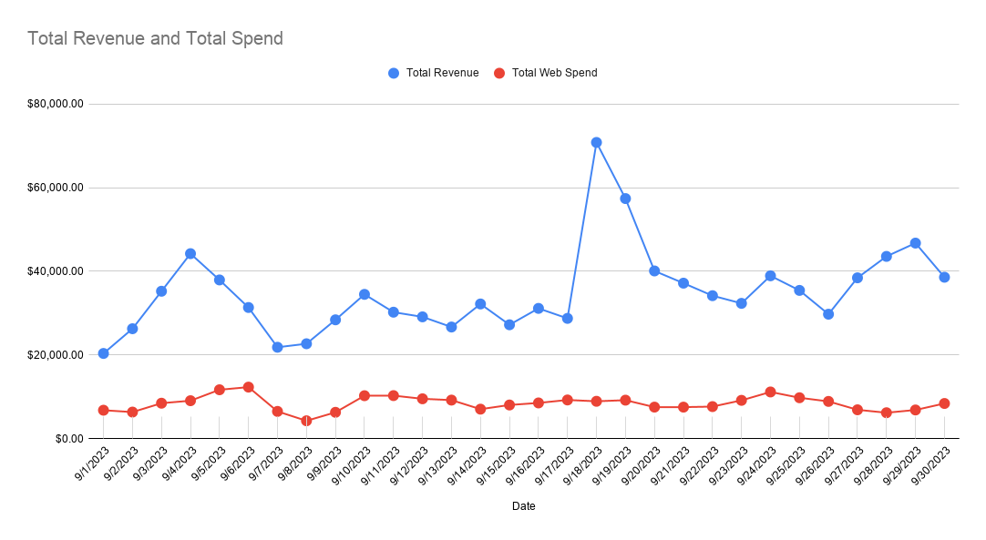

Total Revenue and Total Spend

Amazon Performance

Returning and First-time Customers

Amazon Performance

